10 NV vinh danh
DANH SÁCH NHÂN VIÊN VINH DANH 10 NĂM

 | Full name | EN Name
1 | TRAN HONG CHIEN
2 | NGUYEN THI HONG LOAN | SYDNEY
3 | NGUYEN PHAN QUOC THANH
4 | VU THU THUY | PAIGE
5 | MAI THI LIEU | DONISH
6 | NGO THI THU HIEN | WINDY
7 | NGUYEN THI MINH THOA | HELEN
8 | DANG THI THO | JENNY
9 | PHAM VAN BINH | BILL
10 | TRAN THI HAI HANH | HANA

 | Nội dung:
 | Presented to HELEN (or SYDNEY / DONISH……)
 | Celebrating over 10 years of loyal service - Thank you from all your friends and colleagues

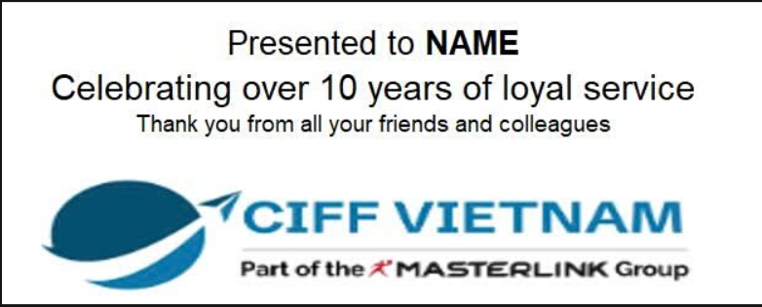

 | Presented to TRAN THI HAI HANH - HANA
 | Celebrating over 10 years of loyal service - Thank you from all your friends and colleagues

